Acceptance Criteria
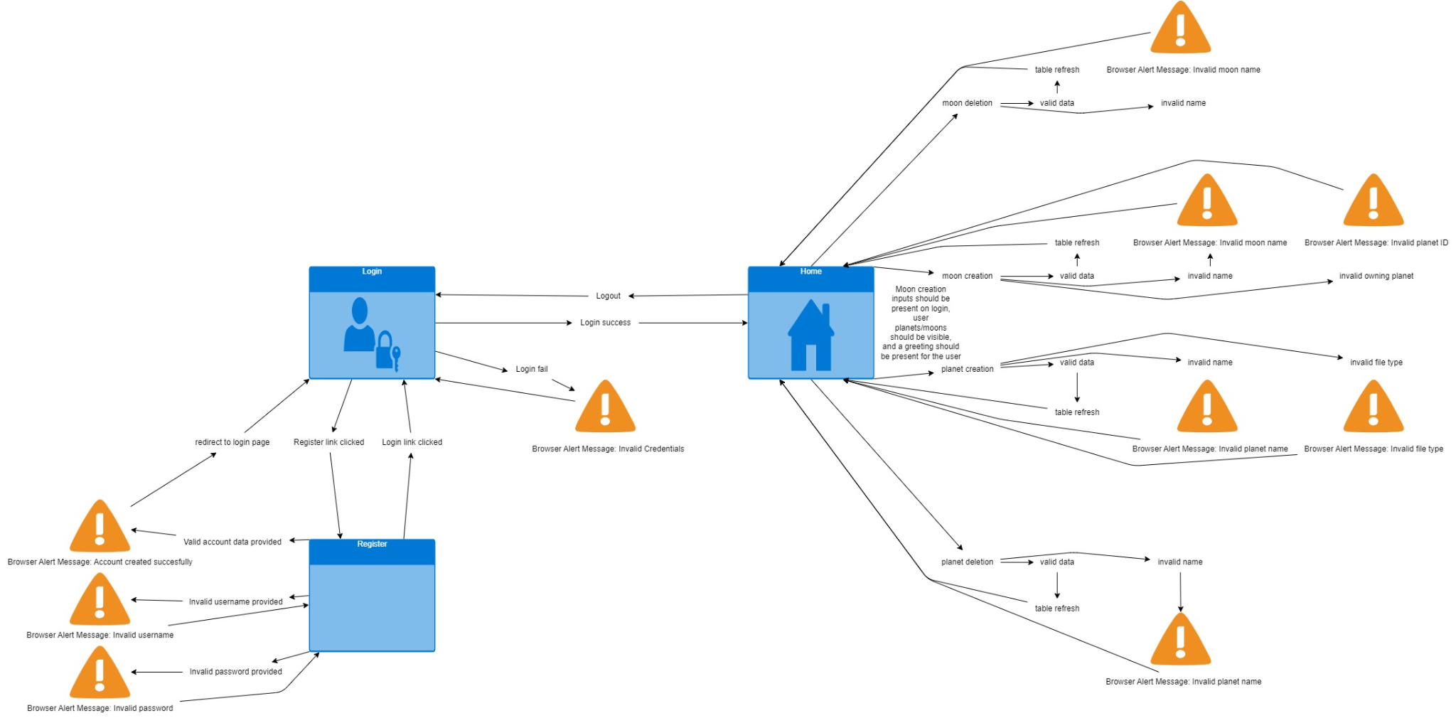
User Story 1 (account registration) | Happy Path | Sad Path
 | Given the user is on the login page | Given the user is on the login page
 | When the user clicks the register link | When the user clicks the register link
 | When the user provides a valid username | When the user provides username "<username>"
 | And the user provides a valid password | And the user provides password "<password>"
 | And the user submits the credentials | And the user submits the credentials
 | Then the user should get a browser alert saying "Account created successfully" | Then the user should get a browser alert saying "<error message>"
 | And the user should be redirected to the login page | And the user should stay of the registration page
User Story 2 (account login) | Happy Path | Sad Path
 | Given the user is on the login page | Given the user is on the login page
 | When the user clicks the login link | When the user clicks the login link
 | When the user provides a valid username | When the user provides username "<username>"
 | And the user provides a valid password | And the user provides password "<password>"
 | And the user submits the credentials | And the user submits the credentials
 | Then the user should be redirected to the home page | Then the user should get a browser alert saying "Invalid Credentials"
 |  | Then the user should be redirected back to the login page
User Story 3 (view/track planetarium) | Happy Path | Sad Path
 | Given the user is on the home page | Given the user is not logged in
 | And the user is logged in | And the user tries to directly access the home page
 | Then planets/moons should be visible | Then the user is denied access
 | And a greeting should be present for the user
User Story 4 (adding new planets and moons) | Happy Path | Sad Path
 | Given the user is on the home page | Given the user is on the home page
 | And the user is logged in | And the user is logged in
 | When the user inputs valid planetary input | When the user inputs invalid "<planetary input>"
 | And submits the data | And submits the data
 | Then the home table should refresh with the newly added planetary input | Then the user should get a browser alert saying "<error message>"
 |  | And the user should be redirected back to home page
User Story 5 (deleting planets/moons) | Happy Path | Sad Path
 | Given the user is on the home page | Given the user is on the home page
 | And the user is logged in | And the user is logged in
 | When the user inputs valid planetary data | When the user inputs invalid "<planetary data>"
 | And submits the data | And submits the data
 | Then the home table should refresh with planetary data removed | Then the user should get a browser alert saying "<error message>"
 |  | And the user should be redirected back to home page

